Data
Weight and MPG for 20 Used Vehicles

Source Data are a random sample of 2004 vehicles, intended for purposes of statistical education and not as a guide to vehicle performance.
Vehicle | City MPG | Weight
Accura TSX | 23 | 3320
BMW 3-Series | 19 | 3390
Chevrolet Corvette | 19 | 3255
Chevrolet Silverado 1500 | 14 | 4935
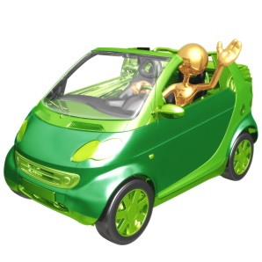
Chrysler Pacifica | 17 | 4660
Dodge Caravan | 18 | 4210
Ford Focus | 26 | 2760
Infiniti FX | 16 | 4295
Jaguar XJ8 | 18 | 3805
Lexus IS300 | 18 | 3390
Lincoln Aviator | 13 | 5000
Mazda6 | 19 | 3355
Land Rover Freelander | 17 | 3640
Mercedes-Benz S-Class | 17 | 4195
Nissan 350Z | 20 | 3345
Nissan Xterra | 16 | 4315
Pontiac Vibe | 28 | 2805
Pontiac Grand Am | 25 | 3095
Toyota Sienna | 19 | 4120
Volvo C70 | 20 | 3690

